freq_coeff
Some checks were made on the frequency sensitivity of the impedance measurements.
This follows from observing that the Muirhead decade inductors showed a high, but manageable, variation of resistance with frequency. (Up to 70 ppm/Hz for resistance and up to 2.5 ppm/Hz for inductance.)
Conclusion is that the frequency dependence is not significant for the Sullivan inductors |  |  |  |  |  |  |  |  |  |  |  |  |  |  |  |  | A10 R |  | A10 L
A10 R
A10 L
Assume effect is largest on the higher value inductor |  |  |  |  |  |  |  |  |  |  |  |  |  |  |  | 1432.4 | 22.225448119 | 5.37E-05 | 0.0098071266345 | 1.09E-08
A manual LCR check was made on 13/6/25 in AI VIII |  |  |  |  |  |  |  |  |  |  |  |  |  |  |  | 1512.4 | 22.235737913 | 0.00013118908693 | 0.0098060238884 | 8.20E-09
 |  |  |  |  |  |  |  |  |  |  |  |  |  |  |  | 1591.5 | 22.245639929 | 8.66E-05 | 0.0098049260906 | 1.03E-08
 | f | L | R |  |  |  |  |  |  |  |  |  |  |  |  | 1670.8 | 22.255091246 | 0.00011833691241 | 0.0098038665082 | 7.52E-09
 | kHz | mH | Ω |  |  |  |  |  |  |  |  |  |  |  |  | 1749.6 | 22.264582843 | 0.00041727114921 | 0.0098028285939 | 3.80E-08
 | 1.592 | 9.804632 | 22.23322 |  |  |  |  |  |  |  |  |  |  |  |  |  | B6 R |  | B6 L
 | 1.67 | 9.803617 | 22.24263 |  |  |  |  |  |  |  |  |  |  |  |  | 1432.4 | 3.5418333414 | 1.42E-05 | 0.00059356703169 | 1.58E-09
 | 1.592 | 9.804644 | 22.23452 | rel delta f | rel delta L | rel delta R |  |  |  |  |  |  |  |  |  | 1512.4 | 3.5422765629 | 1.28E-05 | 0.00059353599691 | 2.05E-09
 |  |  |  | % | ppm | ppm |  |  |  |  |  |  |  |  |  | 1591.5 | 3.542715956 | 2.00E-05 | 0.00059350471999 | 1.57E-09
average | 1.592 | 9.804638 | 22.23387 | 5 | -104 | 394 |  |  |  |  |  |  |  |  |  | 1670.8 | 3.543129193 | 1.93E-05 | 0.00059347175938 | 1.47E-09
 |  |  |  |  | -1.31 | 4.95 | in ppm/Hz |  |  |  |  |  |  |  |  | 1749.6 | 3.5435492192 | 7.14E-05 | 0.00059343858667 | 6.67E-09
quick assumption is that the deltas will be at least ten times smaller for the actual frequency deviation. |  |  |  |  |  |  |  |  |  |  |  |  |  |  | Muirhead used ppm/Hz
 |  |  |  |  |  |  |  |  |  |  |  |  |  |  |  |  | R |  | L
 | target f | 1591.5494309 |  |  |  |  |  |  |  |  |  |  |  |  |  |  | ppm/Hz |  | ppm/Hz
 |  | 1.59254E+03 |  | 0.062% |  |  |  |  |  |  |  |  |  |  |  | A10 | 5.53 |  | -1.38
 |  | 1.59234E+03 |  | 0.050% |  |  |  |  |  |  |  |  |  |  |  | B6 | 1.53 |  | -0.68
 |  | 1.59219E+03 |  | 0.040%
 |  | 1.59341E+03 |  | 0.117%
 |  | 1.59277E+03 |  | 0.077%
 |  | 1.59247E+03 |  | 0.058%
B6 R
B6 L
 |  | 1.59180E+03 |  | 0.016%
 |  | 1.59174E+03 |  | 0.012%
 |  | 1.59167E+03 |  | 0.008%
 |  | 1.59151E+03 |  | -0.002%
 |  | 1.59288E+03 |  | 0.084%

 |  | 1.59385E+03 |  | 0.145%
 |  | 1.59364E+03 |  | 0.131%
 |  | 1.59308E+03 |  | 0.096%
 |  | 1.59356E+03 |  | 0.126%
 |  | 1.59349E+03 |  | 0.122%
 |  | 1.59317E+03 |  | 0.102%
 |  | 1.59332E+03 |  | 0.111%
 |  | 1.59389E+03 |  | 0.147%
 |  | 1.59365E+03 |  | 0.132%

 | mean | 1.59285E+03 |  | 0.082%
 | sd | 0.7751147623
 | rel sd | 0.05%
 |  |  |  |  |  |  | From E4980_02_2025-06-18.csv gathered on lab machine
 |  |  |  |  |  |  |  | Items A10 and B6 were measured
 |  |  |  |  |  |  | lcr name: | KeySight E4980A
 |  |  |  |  |  |  | Name and description of Device under test: | Sullivan A10 Coaxial GMH3I_2043
 |  |  |  |  |  |  | GPIB source: | <bound method MessageBasedResource.read of <'GPIBInstrument'('GPIB0::17::INSTR')>>
 |  |  |  |  |  |  | 2025-06-18 | 16:02:06
 |  |  |  |  |  |  | select the freq range 90% - 110% | [1432.4, 1512.4, 1591.5, 1670.8, 1749.6]
A10 |  |  |  |  |  |  | 1432.4 | 0.009807121304 | 22.2253906
 |  |  |  |  |  |  | 1432.4 | 0.009807137166 | 22.22548889
 |  |  |  |  |  |  | 1432.4 | 0.009807135242 | 22.22542745
 |  |  |  |  |  |  | 1432.4 | 0.009807134954 | 22.22544096
 |  |  |  |  |  |  | 1432.4 | 0.00980710544 | 22.22551505
 |  |  |  |  |  |  | 1432.4 | 0.009807111966 | 22.22537156
B6 |  |  |  |  |  |  | 1432.4 | 0.009807115898 | 22.2254463
 |  |  |  |  |  |  | 1432.4 | 0.009807123149 | 22.22543669
 |  |  |  |  |  |  | 1432.4 | 0.009807134553 | 22.22552769
 |  |  |  |  |  |  | 1432.4 | 0.009807135856 | 22.22547835
 |  |  |  |  |  |  | 1432.4 | 0.009807130556 | 22.22534518
 |  |  |  |  |  |  | 1432.4 | 0.009807123714 | 22.22545247
 |  |  |  |  |  |  | 1432.4 | 0.009807135445 | 22.22542669
 |  |  |  |  |  |  | 1432.4 | 0.009807129452 | 22.22542017
 |  |  |  |  |  |  | 1432.4 | 0.009807110859 | 22.225464
 |  |  |  |  |  |  | 1432.4 | 0.009807140598 | 22.22553786
 |  |  |  |  |  |  | Freq | 1432.4 | Rs | 22.225448119 | 5.37E-05 | Ls | 0.0098071266345 | 1.09E-08
 |  |  |  |  |  |  | :SOUR:DCS:STAT OFF;:BIAS:STAT OFF;:COMP:BIN:COUN:CLE;:LIST:CLE:ALL;:COMP:BIN:CLE;:AMPL:ALC OFF;:APER LONG,20;:BIAS:POL:AUTO OFF;:BIAS:RANG:AUTO ON;:BIAS:VOLT:LEV 0;:COMP:ABIN OFF;:COMP:BIN:COUN:STAT OFF;:COMP:MODE PTOL;:COMP:SLIM -9.9e+037,9.9e+037;:COMP:STAT OFF;:COMP:SWAP OFF;:COMP:TOL:NOM 0;:DISP:ENAB ON;:DISP:LINE "";:DISP:WIND:TEXT1:DATA:FMSD:DATA 1e-009;:DISP:WIND:TEXT2:DATA:FMSD:DATA 1e-009;:FORM:ASC:LONG ON;:FORM:BORD NORM;:FORM:DATA ASC,64;:FREQ:CW 1432;:FUNC:DEV1:MODE OFF;:FUNC:DEV1:REF:VAL 0;:FUNC:DEV2:MODE OFF;:FUNC:DEV2:REF:VAL 0;:FUNC:IMP:TYPE LSRS;:FUNC:SMON:IDC:STAT OFF;:FUNC:SMON:VDC:STAT OFF;:INIT:CONT OFF;:LIST:MODE SEQ;:LIST:STIM:TYPE FREQ,NONE;:SOUR:DCS:VOLT:LEV 0;:TRIG:DEL 0;:TRIG:SOUR INT;:TRIG:TDEL 0;:VOLT:LEV 0.1;:DISP:WIND:TEXT1:DATA:FMSD:STAT OFF;:DISP:WIND:TEXT2:DATA:FMSD:STAT OFF;:FUNC:DCR:RANG:VAL 100;:FUNC:IMP:RANG:VAL 100;:OUTP:DC:ISOL:LEV:VAL 0.02;:OUTP:DC:ISOL:STAT OFF;:FUNC:DCR:RANG:AUTO ON;:FUNC:IMP:RANG:AUTO ON;:OUTP:DC:ISOL:LEV:AUTO ON;:DISP:PAGE MEASurement;
 |  |  |  |  |  |  | 1512.4 | 0.009806017719 | 22.23561838
 |  |  |  |  |  |  | 1512.4 | 0.00980603019 | 22.23555168
 |  |  |  |  |  |  | 1512.4 | 0.00980601591 | 22.23560133
 |  |  |  |  |  |  | 1512.4 | 0.009806013031 | 22.23565166
 |  |  |  |  |  |  | 1512.4 | 0.009806026411 | 22.23582394
 |  |  |  |  |  |  | 1512.4 | 0.009806018086 | 22.23553823
 |  |  |  |  |  |  | 1512.4 | 0.009806029416 | 22.23576886
 |  |  |  |  |  |  | 1512.4 | 0.009806033479 | 22.23570969
 |  |  |  |  |  |  | 1512.4 | 0.009806035521 | 22.23577166
 |  |  |  |  |  |  | 1512.4 | 0.009806031396 | 22.23580784
 |  |  |  |  |  |  | 1512.4 | 0.009806025567 | 22.23598204
 |  |  |  |  |  |  | 1512.4 | 0.009806012319 | 22.23574033
 |  |  |  |  |  |  | 1512.4 | 0.009806015526 | 22.2358977
 |  |  |  |  |  |  | 1512.4 | 0.009806015859 | 22.23565383
 |  |  |  |  |  |  | 1512.4 | 0.009806034525 | 22.23592539
 |  |  |  |  |  |  | 1512.4 | 0.00980602726 | 22.23576405
 |  |  |  |  |  |  | Freq | 1512.4 | Rs | 22.235737913 | 0.00013118908693 | Ls | 0.0098060238884 | 8.20E-09
 |  |  |  |  |  |  | :SOUR:DCS:STAT OFF;:BIAS:STAT OFF;:COMP:BIN:COUN:CLE;:LIST:CLE:ALL;:COMP:BIN:CLE;:AMPL:ALC OFF;:APER LONG,20;:BIAS:POL:AUTO OFF;:BIAS:RANG:AUTO ON;:BIAS:VOLT:LEV 0;:COMP:ABIN OFF;:COMP:BIN:COUN:STAT OFF;:COMP:MODE PTOL;:COMP:SLIM -9.9e+037,9.9e+037;:COMP:STAT OFF;:COMP:SWAP OFF;:COMP:TOL:NOM 0;:DISP:ENAB ON;:DISP:LINE "";:DISP:WIND:TEXT1:DATA:FMSD:DATA 1e-009;:DISP:WIND:TEXT2:DATA:FMSD:DATA 1e-009;:FORM:ASC:LONG ON;:FORM:BORD NORM;:FORM:DATA ASC,64;:FREQ:CW 1512;:FUNC:DEV1:MODE OFF;:FUNC:DEV1:REF:VAL 0;:FUNC:DEV2:MODE OFF;:FUNC:DEV2:REF:VAL 0;:FUNC:IMP:TYPE LSRS;:FUNC:SMON:IDC:STAT OFF;:FUNC:SMON:VDC:STAT OFF;:INIT:CONT OFF;:LIST:MODE SEQ;:LIST:STIM:TYPE FREQ,NONE;:SOUR:DCS:VOLT:LEV 0;:TRIG:DEL 0;:TRIG:SOUR INT;:TRIG:TDEL 0;:VOLT:LEV 0.1;:DISP:WIND:TEXT1:DATA:FMSD:STAT OFF;:DISP:WIND:TEXT2:DATA:FMSD:STAT OFF;:FUNC:DCR:RANG:VAL 100;:FUNC:IMP:RANG:VAL 100;:OUTP:DC:ISOL:LEV:VAL 0.02;:OUTP:DC:ISOL:STAT OFF;:FUNC:DCR:RANG:AUTO ON;:FUNC:IMP:RANG:AUTO ON;:OUTP:DC:ISOL:LEV:AUTO ON;:DISP:PAGE MEASurement;
 |  |  |  |  |  |  | 1591.5 | 0.009804932459 | 22.24568012
 |  |  |  |  |  |  | 1591.5 | 0.009804912753 | 22.2456571
 |  |  |  |  |  |  | 1591.5 | 0.009804937342 | 22.24563153
 |  |  |  |  |  |  | 1591.5 | 0.009804946473 | 22.24538312
 |  |  |  |  |  |  | 1591.5 | 0.009804930116 | 22.24568775
 |  |  |  |  |  |  | 1591.5 | 0.009804915728 | 22.24570787
 |  |  |  |  |  |  | 1591.5 | 0.009804928798 | 22.24566768
 |  |  |  |  |  |  | 1591.5 | 0.009804940087 | 22.24566477
 |  |  |  |  |  |  | 1591.5 | 0.00980491495 | 22.2457652
 |  |  |  |  |  |  | 1591.5 | 0.009804927974 | 22.2455779
 |  |  |  |  |  |  | 1591.5 | 0.009804931105 | 22.24563998
 |  |  |  |  |  |  | 1591.5 | 0.009804909498 | 22.24555103
 |  |  |  |  |  |  | 1591.5 | 0.009804923557 | 22.24562337
 |  |  |  |  |  |  | 1591.5 | 0.0098049271 | 22.24565931
 |  |  |  |  |  |  | 1591.5 | 0.00980491971 | 22.24572655
 |  |  |  |  |  |  | 1591.5 | 0.009804919799 | 22.24561559
 |  |  |  |  |  |  | Freq | 1591.5 | Rs | 22.245639929 | 8.66E-05 | Ls | 0.0098049260906 | 1.03E-08
 |  |  |  |  |  |  | :SOUR:DCS:STAT OFF;:BIAS:STAT OFF;:COMP:BIN:COUN:CLE;:LIST:CLE:ALL;:COMP:BIN:CLE;:AMPL:ALC OFF;:APER LONG,20;:BIAS:POL:AUTO OFF;:BIAS:RANG:AUTO ON;:BIAS:VOLT:LEV 0;:COMP:ABIN OFF;:COMP:BIN:COUN:STAT OFF;:COMP:MODE PTOL;:COMP:SLIM -9.9e+037,9.9e+037;:COMP:STAT OFF;:COMP:SWAP OFF;:COMP:TOL:NOM 0;:DISP:ENAB ON;:DISP:LINE "";:DISP:WIND:TEXT1:DATA:FMSD:DATA 1e-009;:DISP:WIND:TEXT2:DATA:FMSD:DATA 1e-009;:FORM:ASC:LONG ON;:FORM:BORD NORM;:FORM:DATA ASC,64;:FREQ:CW 1592;:FUNC:DEV1:MODE OFF;:FUNC:DEV1:REF:VAL 0;:FUNC:DEV2:MODE OFF;:FUNC:DEV2:REF:VAL 0;:FUNC:IMP:TYPE LSRS;:FUNC:SMON:IDC:STAT OFF;:FUNC:SMON:VDC:STAT OFF;:INIT:CONT OFF;:LIST:MODE SEQ;:LIST:STIM:TYPE FREQ,NONE;:SOUR:DCS:VOLT:LEV 0;:TRIG:DEL 0;:TRIG:SOUR INT;:TRIG:TDEL 0;:VOLT:LEV 0.1;:DISP:WIND:TEXT1:DATA:FMSD:STAT OFF;:DISP:WIND:TEXT2:DATA:FMSD:STAT OFF;:FUNC:DCR:RANG:VAL 100;:FUNC:IMP:RANG:VAL 100;:OUTP:DC:ISOL:LEV:VAL 0.02;:OUTP:DC:ISOL:STAT OFF;:FUNC:DCR:RANG:AUTO ON;:FUNC:IMP:RANG:AUTO ON;:OUTP:DC:ISOL:LEV:AUTO ON;:DISP:PAGE MEASurement;
 |  |  |  |  |  |  | 1670.8 | 0.009803880724 | 22.25495305
 |  |  |  |  |  |  | 1670.8 | 0.00980386233 | 22.25492133
 |  |  |  |  |  |  | 1670.8 | 0.009803863726 | 22.25526916
 |  |  |  |  |  |  | 1670.8 | 0.009803868562 | 22.25501833
 |  |  |  |  |  |  | 1670.8 | 0.009803864957 | 22.25501322
 |  |  |  |  |  |  | 1670.8 | 0.00980386933 | 22.25494826
 |  |  |  |  |  |  | 1670.8 | 0.009803864217 | 22.25500273
 |  |  |  |  |  |  | 1670.8 | 0.00980387404 | 22.25515895
 |  |  |  |  |  |  | 1670.8 | 0.009803850402 | 22.25503634
 |  |  |  |  |  |  | 1670.8 | 0.009803870569 | 22.25511718
 |  |  |  |  |  |  | 1670.8 | 0.009803857601 | 22.255098
 |  |  |  |  |  |  | 1670.8 | 0.009803873687 | 22.25506171
 |  |  |  |  |  |  | 1670.8 | 0.009803863408 | 22.25527185
 |  |  |  |  |  |  | 1670.8 | 0.009803870952 | 22.25509853
 |  |  |  |  |  |  | 1670.8 | 0.009803871996 | 22.2552702
 |  |  |  |  |  |  | 1670.8 | 0.009803857631 | 22.2552211
 |  |  |  |  |  |  | Freq | 1670.8 | Rs | 22.255091246 | 0.00011833691241 | Ls | 0.0098038665082 | 7.52E-09
 |  |  |  |  |  |  | :SOUR:DCS:STAT OFF;:BIAS:STAT OFF;:COMP:BIN:COUN:CLE;:LIST:CLE:ALL;:COMP:BIN:CLE;:AMPL:ALC OFF;:APER LONG,20;:BIAS:POL:AUTO OFF;:BIAS:RANG:AUTO ON;:BIAS:VOLT:LEV 0;:COMP:ABIN OFF;:COMP:BIN:COUN:STAT OFF;:COMP:MODE PTOL;:COMP:SLIM -9.9e+037,9.9e+037;:COMP:STAT OFF;:COMP:SWAP OFF;:COMP:TOL:NOM 0;:DISP:ENAB ON;:DISP:LINE "";:DISP:WIND:TEXT1:DATA:FMSD:DATA 1e-009;:DISP:WIND:TEXT2:DATA:FMSD:DATA 1e-009;:FORM:ASC:LONG ON;:FORM:BORD NORM;:FORM:DATA ASC,64;:FREQ:CW 1671;:FUNC:DEV1:MODE OFF;:FUNC:DEV1:REF:VAL 0;:FUNC:DEV2:MODE OFF;:FUNC:DEV2:REF:VAL 0;:FUNC:IMP:TYPE LSRS;:FUNC:SMON:IDC:STAT OFF;:FUNC:SMON:VDC:STAT OFF;:INIT:CONT OFF;:LIST:MODE SEQ;:LIST:STIM:TYPE FREQ,NONE;:SOUR:DCS:VOLT:LEV 0;:TRIG:DEL 0;:TRIG:SOUR INT;:TRIG:TDEL 0;:VOLT:LEV 0.1;:DISP:WIND:TEXT1:DATA:FMSD:STAT OFF;:DISP:WIND:TEXT2:DATA:FMSD:STAT OFF;:FUNC:DCR:RANG:VAL 100;:FUNC:IMP:RANG:VAL 100;:OUTP:DC:ISOL:LEV:VAL 0.02;:OUTP:DC:ISOL:STAT OFF;:FUNC:DCR:RANG:AUTO ON;:FUNC:IMP:RANG:AUTO ON;:OUTP:DC:ISOL:LEV:AUTO ON;:DISP:PAGE MEASurement;
 |  |  |  |  |  |  | 1749.6 | 0.009802824218 | 22.26443464
 |  |  |  |  |  |  | 1749.6 | 0.009802831685 | 22.26457969
 |  |  |  |  |  |  | 1749.6 | 0.00980282781 | 22.26439234
 |  |  |  |  |  |  | 1749.6 | 0.009802843022 | 22.26432838
 |  |  |  |  |  |  | 1749.6 | 0.009802893571 | 22.26493058
 |  |  |  |  |  |  | 1749.6 | 0.009802769287 | 22.26567071
 |  |  |  |  |  |  | 1749.6 | 0.009802845792 | 22.26428412
 |  |  |  |  |  |  | 1749.6 | 0.009802825257 | 22.26436364
 |  |  |  |  |  |  | 1749.6 | 0.009802836681 | 22.26463918
 |  |  |  |  |  |  | 1749.6 | 0.009802850472 | 22.26459907
 |  |  |  |  |  |  | 1749.6 | 0.009802849057 | 22.26437703
 |  |  |  |  |  |  | 1749.6 | 0.009802820171 | 22.26460622
 |  |  |  |  |  |  | 1749.6 | 0.009802815887 | 22.26481643
 |  |  |  |  |  |  | 1749.6 | 0.009802723192 | 22.26458135
 |  |  |  |  |  |  | 1749.6 | 0.009802856188 | 22.26370999
 |  |  |  |  |  |  | 1749.6 | 0.009802845212 | 22.26501211
 |  |  |  |  |  |  | Freq | 1749.6 | Rs | 22.264582843 | 0.00041727114921 | Ls | 0.0098028285939 | 3.80E-08
 |  |  |  |  |  |  | :SOUR:DCS:STAT OFF;:BIAS:STAT OFF;:COMP:BIN:COUN:CLE;:LIST:CLE:ALL;:COMP:BIN:CLE;:AMPL:ALC OFF;:APER LONG,20;:BIAS:POL:AUTO OFF;:BIAS:RANG:AUTO ON;:BIAS:VOLT:LEV 0;:COMP:ABIN OFF;:COMP:BIN:COUN:STAT OFF;:COMP:MODE PTOL;:COMP:SLIM -9.9e+037,9.9e+037;:COMP:STAT OFF;:COMP:SWAP OFF;:COMP:TOL:NOM 0;:DISP:ENAB ON;:DISP:LINE "";:DISP:WIND:TEXT1:DATA:FMSD:DATA 1e-009;:DISP:WIND:TEXT2:DATA:FMSD:DATA 1e-009;:FORM:ASC:LONG ON;:FORM:BORD NORM;:FORM:DATA ASC,64;:FREQ:CW 1750;:FUNC:DEV1:MODE OFF;:FUNC:DEV1:REF:VAL 0;:FUNC:DEV2:MODE OFF;:FUNC:DEV2:REF:VAL 0;:FUNC:IMP:TYPE LSRS;:FUNC:SMON:IDC:STAT OFF;:FUNC:SMON:VDC:STAT OFF;:INIT:CONT OFF;:LIST:MODE SEQ;:LIST:STIM:TYPE FREQ,NONE;:SOUR:DCS:VOLT:LEV 0;:TRIG:DEL 0;:TRIG:SOUR INT;:TRIG:TDEL 0;:VOLT:LEV 0.1;:DISP:WIND:TEXT1:DATA:FMSD:STAT OFF;:DISP:WIND:TEXT2:DATA:FMSD:STAT OFF;:FUNC:DCR:RANG:VAL 100;:FUNC:IMP:RANG:VAL 100;:OUTP:DC:ISOL:LEV:VAL 0.02;:OUTP:DC:ISOL:STAT OFF;:FUNC:DCR:RANG:AUTO ON;:FUNC:IMP:RANG:AUTO ON;:OUTP:DC:ISOL:LEV:AUTO ON;:DISP:PAGE MEASurement;
 |  |  |  |  |  |  | :SOUR:DCS:STAT OFF;:BIAS:STAT OFF;:COMP:BIN:COUN:CLE;:LIST:CLE:ALL;:COMP:BIN:CLE;:AMPL:ALC OFF;:APER LONG,20;:BIAS:POL:AUTO OFF;:BIAS:RANG:AUTO ON;:BIAS:VOLT:LEV 0;:COMP:ABIN OFF;:COMP:BIN:COUN:STAT OFF;:COMP:MODE PTOL;:COMP:SLIM -9.9e+037,9.9e+037;:COMP:STAT OFF;:COMP:SWAP OFF;:COMP:TOL:NOM 0;:DISP:ENAB ON;:DISP:LINE "";:DISP:WIND:TEXT1:DATA:FMSD:DATA 1e-009;:DISP:WIND:TEXT2:DATA:FMSD:DATA 1e-009;:FORM:ASC:LONG ON;:FORM:BORD NORM;:FORM:DATA ASC,64;:FREQ:CW 1750;:FUNC:DEV1:MODE OFF;:FUNC:DEV1:REF:VAL 0;:FUNC:DEV2:MODE OFF;:FUNC:DEV2:REF:VAL 0;:FUNC:IMP:TYPE LSRS;:FUNC:SMON:IDC:STAT OFF;:FUNC:SMON:VDC:STAT OFF;:INIT:CONT OFF;:LIST:MODE SEQ;:LIST:STIM:TYPE FREQ,NONE;:SOUR:DCS:VOLT:LEV 0;:TRIG:DEL 0;:TRIG:SOUR INT;:TRIG:TDEL 0;:VOLT:LEV 0.1;:DISP:WIND:TEXT1:DATA:FMSD:STAT OFF;:DISP:WIND:TEXT2:DATA:FMSD:STAT OFF;:FUNC:DCR:RANG:VAL 100;:FUNC:IMP:RANG:VAL 100;:OUTP:DC:ISOL:LEV:VAL 0.02;:OUTP:DC:ISOL:STAT OFF;:FUNC:DCR:RANG:AUTO ON;:FUNC:IMP:RANG:AUTO ON;:OUTP:DC:ISOL:LEV:AUTO ON;:DISP:PAGE MEASurement;
 |  |  |  |  |  |  | 2025-06-18 | 16:08:10
 |  |  |  |  |  |  | ---------run finished---------
 |  |  |  |  |  |  | lcr name: | KeySight E4980A
 |  |  |  |  |  |  | Name and description of Device under test: | Sullivan B6 Coaxial GMH3I_2066
 |  |  |  |  |  |  | GPIB source: | <bound method MessageBasedResource.read of <'GPIBInstrument'('GPIB0::17::INSTR')>>
 |  |  |  |  |  |  | 2025-06-18 | 16:13:36
 |  |  |  |  |  |  | select the freq range 90% - 110% | [1432.4, 1512.4, 1591.5, 1670.8, 1749.6]
 |  |  |  |  |  |  | 1432.4 | 0.0005935665809 | 3.541847497
 |  |  |  |  |  |  | 1432.4 | 0.0005935680785 | 3.541823425
 |  |  |  |  |  |  | 1432.4 | 0.0005935668063 | 3.541857239
 |  |  |  |  |  |  | 1432.4 | 0.0005935699898 | 3.541809157
 |  |  |  |  |  |  | 1432.4 | 0.0005935642197 | 3.541828583
 |  |  |  |  |  |  | 1432.4 | 0.0005935697772 | 3.541821263
 |  |  |  |  |  |  | 1432.4 | 0.0005935656124 | 3.541845835
 |  |  |  |  |  |  | 1432.4 | 0.000593566806 | 3.541837527
 |  |  |  |  |  |  | 1432.4 | 0.0005935665983 | 3.541835334
 |  |  |  |  |  |  | 1432.4 | 0.0005935648858 | 3.541825728
 |  |  |  |  |  |  | 1432.4 | 0.0005935683113 | 3.541845812
 |  |  |  |  |  |  | 1432.4 | 0.0005935674228 | 3.541812056
 |  |  |  |  |  |  | 1432.4 | 0.0005935663452 | 3.54185404
 |  |  |  |  |  |  | 1432.4 | 0.0005935656921 | 3.541822096
 |  |  |  |  |  |  | 1432.4 | 0.000593567749 | 3.541833514
 |  |  |  |  |  |  | 1432.4 | 0.0005935676318 | 3.541834356
 |  |  |  |  |  |  | Freq | 1432.4 | Rs | 3.5418333414 | 1.42E-05 | Ls | 0.00059356703169 | 1.58E-09
 |  |  |  |  |  |  | :SOUR:DCS:STAT OFF;:BIAS:STAT OFF;:COMP:BIN:COUN:CLE;:LIST:CLE:ALL;:COMP:BIN:CLE;:AMPL:ALC OFF;:APER LONG,20;:BIAS:POL:AUTO OFF;:BIAS:RANG:AUTO ON;:BIAS:VOLT:LEV 0;:COMP:ABIN OFF;:COMP:BIN:COUN:STAT OFF;:COMP:MODE PTOL;:COMP:SLIM -9.9e+037,9.9e+037;:COMP:STAT OFF;:COMP:SWAP OFF;:COMP:TOL:NOM 0;:DISP:ENAB ON;:DISP:LINE "";:DISP:WIND:TEXT1:DATA:FMSD:DATA 1e-009;:DISP:WIND:TEXT2:DATA:FMSD:DATA 1e-009;:FORM:ASC:LONG ON;:FORM:BORD NORM;:FORM:DATA ASC,64;:FREQ:CW 1432;:FUNC:DEV1:MODE OFF;:FUNC:DEV1:REF:VAL 0;:FUNC:DEV2:MODE OFF;:FUNC:DEV2:REF:VAL 0;:FUNC:IMP:TYPE LSRS;:FUNC:SMON:IDC:STAT OFF;:FUNC:SMON:VDC:STAT OFF;:INIT:CONT OFF;:LIST:MODE SEQ;:LIST:STIM:TYPE FREQ,NONE;:SOUR:DCS:VOLT:LEV 0;:TRIG:DEL 0;:TRIG:SOUR INT;:TRIG:TDEL 0;:VOLT:LEV 0.1;:DISP:WIND:TEXT1:DATA:FMSD:STAT OFF;:DISP:WIND:TEXT2:DATA:FMSD:STAT OFF;:FUNC:DCR:RANG:VAL 100;:FUNC:IMP:RANG:VAL 10;:OUTP:DC:ISOL:LEV:VAL 0.02;:OUTP:DC:ISOL:STAT OFF;:FUNC:DCR:RANG:AUTO ON;:FUNC:IMP:RANG:AUTO ON;:OUTP:DC:ISOL:LEV:AUTO ON;:DISP:PAGE MEASurement;
 |  |  |  |  |  |  | 1512.4 | 0.0005935371039 | 3.542284776
 |  |  |  |  |  |  | 1512.4 | 0.0005935347251 | 3.542273947
 |  |  |  |  |  |  | 1512.4 | 0.0005935361965 | 3.542280979
 |  |  |  |  |  |  | 1512.4 | 0.0005935370646 | 3.542270808
 |  |  |  |  |  |  | 1512.4 | 0.0005935396901 | 3.542258106
 |  |  |  |  |  |  | 1512.4 | 0.0005935351204 | 3.542268669
 |  |  |  |  |  |  | 1512.4 | 0.0005935338688 | 3.542296724
 |  |  |  |  |  |  | 1512.4 | 0.0005935352878 | 3.542271498
 |  |  |  |  |  |  | 1512.4 | 0.0005935396989 | 3.542299658
 |  |  |  |  |  |  | 1512.4 | 0.0005935355184 | 3.542264379
 |  |  |  |  |  |  | 1512.4 | 0.0005935372651 | 3.542268797
 |  |  |  |  |  |  | 1512.4 | 0.0005935313393 | 3.542272271
 |  |  |  |  |  |  | 1512.4 | 0.0005935364094 | 3.542301021
 |  |  |  |  |  |  | 1512.4 | 0.0005935351619 | 3.542265797
 |  |  |  |  |  |  | 1512.4 | 0.0005935349837 | 3.542271573
 |  |  |  |  |  |  | 1512.4 | 0.0005935365167 | 3.542276004
 |  |  |  |  |  |  | Freq | 1512.4 | Rs | 3.5422765629 | 1.28E-05 | Ls | 0.00059353599691 | 2.05E-09
 |  |  |  |  |  |  | :SOUR:DCS:STAT OFF;:BIAS:STAT OFF;:COMP:BIN:COUN:CLE;:LIST:CLE:ALL;:COMP:BIN:CLE;:AMPL:ALC OFF;:APER LONG,20;:BIAS:POL:AUTO OFF;:BIAS:RANG:AUTO ON;:BIAS:VOLT:LEV 0;:COMP:ABIN OFF;:COMP:BIN:COUN:STAT OFF;:COMP:MODE PTOL;:COMP:SLIM -9.9e+037,9.9e+037;:COMP:STAT OFF;:COMP:SWAP OFF;:COMP:TOL:NOM 0;:DISP:ENAB ON;:DISP:LINE "";:DISP:WIND:TEXT1:DATA:FMSD:DATA 1e-009;:DISP:WIND:TEXT2:DATA:FMSD:DATA 1e-009;:FORM:ASC:LONG ON;:FORM:BORD NORM;:FORM:DATA ASC,64;:FREQ:CW 1512;:FUNC:DEV1:MODE OFF;:FUNC:DEV1:REF:VAL 0;:FUNC:DEV2:MODE OFF;:FUNC:DEV2:REF:VAL 0;:FUNC:IMP:TYPE LSRS;:FUNC:SMON:IDC:STAT OFF;:FUNC:SMON:VDC:STAT OFF;:INIT:CONT OFF;:LIST:MODE SEQ;:LIST:STIM:TYPE FREQ,NONE;:SOUR:DCS:VOLT:LEV 0;:TRIG:DEL 0;:TRIG:SOUR INT;:TRIG:TDEL 0;:VOLT:LEV 0.1;:DISP:WIND:TEXT1:DATA:FMSD:STAT OFF;:DISP:WIND:TEXT2:DATA:FMSD:STAT OFF;:FUNC:DCR:RANG:VAL 100;:FUNC:IMP:RANG:VAL 10;:OUTP:DC:ISOL:LEV:VAL 0.02;:OUTP:DC:ISOL:STAT OFF;:FUNC:DCR:RANG:AUTO ON;:FUNC:IMP:RANG:AUTO ON;:OUTP:DC:ISOL:LEV:AUTO ON;:DISP:PAGE MEASurement;
 |  |  |  |  |  |  | 1591.5 | 0.0005935064466 | 3.542701269
 |  |  |  |  |  |  | 1591.5 | 0.0005935056432 | 3.542706957
 |  |  |  |  |  |  | 1591.5 | 0.0005935046117 | 3.542722034
 |  |  |  |  |  |  | 1591.5 | 0.0005935033758 | 3.542748062
 |  |  |  |  |  |  | 1591.5 | 0.0005935024638 | 3.542729026
 |  |  |  |  |  |  | 1591.5 | 0.0005935066934 | 3.542722241
 |  |  |  |  |  |  | 1591.5 | 0.0005935055293 | 3.542678036
 |  |  |  |  |  |  | 1591.5 | 0.0005935030928 | 3.542690978
 |  |  |  |  |  |  | 1591.5 | 0.0005935058516 | 3.542696085
 |  |  |  |  |  |  | 1591.5 | 0.0005935031238 | 3.54270707
 |  |  |  |  |  |  | 1591.5 | 0.0005935027341 | 3.542726144
 |  |  |  |  |  |  | 1591.5 | 0.0005935055524 | 3.542698093
 |  |  |  |  |  |  | 1591.5 | 0.0005935071257 | 3.542724313
 |  |  |  |  |  |  | 1591.5 | 0.0005935034669 | 3.542720566
 |  |  |  |  |  |  | 1591.5 | 0.0005935036153 | 3.542739619
 |  |  |  |  |  |  | 1591.5 | 0.0005935061935 | 3.542744803
 |  |  |  |  |  |  | Freq | 1591.5 | Rs | 3.542715956 | 2.00E-05 | Ls | 0.00059350471999 | 1.57E-09
 |  |  |  |  |  |  | :SOUR:DCS:STAT OFF;:BIAS:STAT OFF;:COMP:BIN:COUN:CLE;:LIST:CLE:ALL;:COMP:BIN:CLE;:AMPL:ALC OFF;:APER LONG,20;:BIAS:POL:AUTO OFF;:BIAS:RANG:AUTO ON;:BIAS:VOLT:LEV 0;:COMP:ABIN OFF;:COMP:BIN:COUN:STAT OFF;:COMP:MODE PTOL;:COMP:SLIM -9.9e+037,9.9e+037;:COMP:STAT OFF;:COMP:SWAP OFF;:COMP:TOL:NOM 0;:DISP:ENAB ON;:DISP:LINE "";:DISP:WIND:TEXT1:DATA:FMSD:DATA 1e-009;:DISP:WIND:TEXT2:DATA:FMSD:DATA 1e-009;:FORM:ASC:LONG ON;:FORM:BORD NORM;:FORM:DATA ASC,64;:FREQ:CW 1592;:FUNC:DEV1:MODE OFF;:FUNC:DEV1:REF:VAL 0;:FUNC:DEV2:MODE OFF;:FUNC:DEV2:REF:VAL 0;:FUNC:IMP:TYPE LSRS;:FUNC:SMON:IDC:STAT OFF;:FUNC:SMON:VDC:STAT OFF;:INIT:CONT OFF;:LIST:MODE SEQ;:LIST:STIM:TYPE FREQ,NONE;:SOUR:DCS:VOLT:LEV 0;:TRIG:DEL 0;:TRIG:SOUR INT;:TRIG:TDEL 0;:VOLT:LEV 0.1;:DISP:WIND:TEXT1:DATA:FMSD:STAT OFF;:DISP:WIND:TEXT2:DATA:FMSD:STAT OFF;:FUNC:DCR:RANG:VAL 100;:FUNC:IMP:RANG:VAL 10;:OUTP:DC:ISOL:LEV:VAL 0.02;:OUTP:DC:ISOL:STAT OFF;:FUNC:DCR:RANG:AUTO ON;:FUNC:IMP:RANG:AUTO ON;:OUTP:DC:ISOL:LEV:AUTO ON;:DISP:PAGE MEASurement;
 |  |  |  |  |  |  | 1670.8 | 0.0005934746111 | 3.543134704
 |  |  |  |  |  |  | 1670.8 | 0.0005934707802 | 3.543116882
 |  |  |  |  |  |  | 1670.8 | 0.000593472192 | 3.543132174
 |  |  |  |  |  |  | 1670.8 | 0.0005934697624 | 3.54313016
 |  |  |  |  |  |  | 1670.8 | 0.0005934711526 | 3.543142249
 |  |  |  |  |  |  | 1670.8 | 0.0005934751188 | 3.543146316
 |  |  |  |  |  |  | 1670.8 | 0.0005934718003 | 3.543122119
 |  |  |  |  |  |  | 1670.8 | 0.0005934696585 | 3.543116133
 |  |  |  |  |  |  | 1670.8 | 0.000593471017 | 3.543101501
 |  |  |  |  |  |  | 1670.8 | 0.0005934707355 | 3.543153447
 |  |  |  |  |  |  | 1670.8 | 0.0005934718394 | 3.543092929
 |  |  |  |  |  |  | 1670.8 | 0.000593471027 | 3.543111083
 |  |  |  |  |  |  | 1670.8 | 0.0005934725167 | 3.543133696
 |  |  |  |  |  |  | 1670.8 | 0.0005934721831 | 3.543154733
 |  |  |  |  |  |  | 1670.8 | 0.000593471522 | 3.543159954
 |  |  |  |  |  |  | 1670.8 | 0.0005934722335 | 3.543119008
 |  |  |  |  |  |  | Freq | 1670.8 | Rs | 3.543129193 | 1.93E-05 | Ls | 0.00059347175938 | 1.47E-09
 |  |  |  |  |  |  | :SOUR:DCS:STAT OFF;:BIAS:STAT OFF;:COMP:BIN:COUN:CLE;:LIST:CLE:ALL;:COMP:BIN:CLE;:AMPL:ALC OFF;:APER LONG,20;:BIAS:POL:AUTO OFF;:BIAS:RANG:AUTO ON;:BIAS:VOLT:LEV 0;:COMP:ABIN OFF;:COMP:BIN:COUN:STAT OFF;:COMP:MODE PTOL;:COMP:SLIM -9.9e+037,9.9e+037;:COMP:STAT OFF;:COMP:SWAP OFF;:COMP:TOL:NOM 0;:DISP:ENAB ON;:DISP:LINE "";:DISP:WIND:TEXT1:DATA:FMSD:DATA 1e-009;:DISP:WIND:TEXT2:DATA:FMSD:DATA 1e-009;:FORM:ASC:LONG ON;:FORM:BORD NORM;:FORM:DATA ASC,64;:FREQ:CW 1671;:FUNC:DEV1:MODE OFF;:FUNC:DEV1:REF:VAL 0;:FUNC:DEV2:MODE OFF;:FUNC:DEV2:REF:VAL 0;:FUNC:IMP:TYPE LSRS;:FUNC:SMON:IDC:STAT OFF;:FUNC:SMON:VDC:STAT OFF;:INIT:CONT OFF;:LIST:MODE SEQ;:LIST:STIM:TYPE FREQ,NONE;:SOUR:DCS:VOLT:LEV 0;:TRIG:DEL 0;:TRIG:SOUR INT;:TRIG:TDEL 0;:VOLT:LEV 0.1;:DISP:WIND:TEXT1:DATA:FMSD:STAT OFF;:DISP:WIND:TEXT2:DATA:FMSD:STAT OFF;:FUNC:DCR:RANG:VAL 100;:FUNC:IMP:RANG:VAL 10;:OUTP:DC:ISOL:LEV:VAL 0.02;:OUTP:DC:ISOL:STAT OFF;:FUNC:DCR:RANG:AUTO ON;:FUNC:IMP:RANG:AUTO ON;:OUTP:DC:ISOL:LEV:AUTO ON;:DISP:PAGE MEASurement;
 |  |  |  |  |  |  | 1749.6 | 0.0005934375991 | 3.543494273
 |  |  |  |  |  |  | 1749.6 | 0.0005934368291 | 3.5435131
 |  |  |  |  |  |  | 1749.6 | 0.0005934390754 | 3.543533164
 |  |  |  |  |  |  | 1749.6 | 0.0005934254811 | 3.543677567
 |  |  |  |  |  |  | 1749.6 | 0.0005934324858 | 3.543627398
 |  |  |  |  |  |  | 1749.6 | 0.0005934379489 | 3.543502545
 |  |  |  |  |  |  | 1749.6 | 0.0005934426299 | 3.543571141
 |  |  |  |  |  |  | 1749.6 | 0.0005934336514 | 3.543491369
 |  |  |  |  |  |  | 1749.6 | 0.0005934463139 | 3.54358583
 |  |  |  |  |  |  | 1749.6 | 0.0005934337294 | 3.543381194
 |  |  |  |  |  |  | 1749.6 | 0.000593432479 | 3.54362602
 |  |  |  |  |  |  | 1749.6 | 0.000593442901 | 3.543557138
 |  |  |  |  |  |  | 1749.6 | 0.0005934522419 | 3.543531659
 |  |  |  |  |  |  | 1749.6 | 0.0005934478836 | 3.543623195
 |  |  |  |  |  |  | 1749.6 | 0.0005934373832 | 3.543507286
 |  |  |  |  |  |  | 1749.6 | 0.000593438754 | 3.543564629
 |  |  |  |  |  |  | Freq | 1749.6 | Rs | 3.5435492192 | 7.14E-05 | Ls | 0.00059343858667 | 6.67E-09
 |  |  |  |  |  |  | :SOUR:DCS:STAT OFF;:BIAS:STAT OFF;:COMP:BIN:COUN:CLE;:LIST:CLE:ALL;:COMP:BIN:CLE;:AMPL:ALC OFF;:APER LONG,20;:BIAS:POL:AUTO OFF;:BIAS:RANG:AUTO ON;:BIAS:VOLT:LEV 0;:COMP:ABIN OFF;:COMP:BIN:COUN:STAT OFF;:COMP:MODE PTOL;:COMP:SLIM -9.9e+037,9.9e+037;:COMP:STAT OFF;:COMP:SWAP OFF;:COMP:TOL:NOM 0;:DISP:ENAB ON;:DISP:LINE "";:DISP:WIND:TEXT1:DATA:FMSD:DATA 1e-009;:DISP:WIND:TEXT2:DATA:FMSD:DATA 1e-009;:FORM:ASC:LONG ON;:FORM:BORD NORM;:FORM:DATA ASC,64;:FREQ:CW 1750;:FUNC:DEV1:MODE OFF;:FUNC:DEV1:REF:VAL 0;:FUNC:DEV2:MODE OFF;:FUNC:DEV2:REF:VAL 0;:FUNC:IMP:TYPE LSRS;:FUNC:SMON:IDC:STAT OFF;:FUNC:SMON:VDC:STAT OFF;:INIT:CONT OFF;:LIST:MODE SEQ;:LIST:STIM:TYPE FREQ,NONE;:SOUR:DCS:VOLT:LEV 0;:TRIG:DEL 0;:TRIG:SOUR INT;:TRIG:TDEL 0;:VOLT:LEV 0.1;:DISP:WIND:TEXT1:DATA:FMSD:STAT OFF;:DISP:WIND:TEXT2:DATA:FMSD:STAT OFF;:FUNC:DCR:RANG:VAL 100;:FUNC:IMP:RANG:VAL 10;:OUTP:DC:ISOL:LEV:VAL 0.02;:OUTP:DC:ISOL:STAT OFF;:FUNC:DCR:RANG:AUTO ON;:FUNC:IMP:RANG:AUTO ON;:OUTP:DC:ISOL:LEV:AUTO ON;:DISP:PAGE MEASurement;
 |  |  |  |  |  |  | :SOUR:DCS:STAT OFF;:BIAS:STAT OFF;:COMP:BIN:COUN:CLE;:LIST:CLE:ALL;:COMP:BIN:CLE;:AMPL:ALC OFF;:APER LONG,20;:BIAS:POL:AUTO OFF;:BIAS:RANG:AUTO ON;:BIAS:VOLT:LEV 0;:COMP:ABIN OFF;:COMP:BIN:COUN:STAT OFF;:COMP:MODE PTOL;:COMP:SLIM -9.9e+037,9.9e+037;:COMP:STAT OFF;:COMP:SWAP OFF;:COMP:TOL:NOM 0;:DISP:ENAB ON;:DISP:LINE "";:DISP:WIND:TEXT1:DATA:FMSD:DATA 1e-009;:DISP:WIND:TEXT2:DATA:FMSD:DATA 1e-009;:FORM:ASC:LONG ON;:FORM:BORD NORM;:FORM:DATA ASC,64;:FREQ:CW 1750;:FUNC:DEV1:MODE OFF;:FUNC:DEV1:REF:VAL 0;:FUNC:DEV2:MODE OFF;:FUNC:DEV2:REF:VAL 0;:FUNC:IMP:TYPE LSRS;:FUNC:SMON:IDC:STAT OFF;:FUNC:SMON:VDC:STAT OFF;:INIT:CONT OFF;:LIST:MODE SEQ;:LIST:STIM:TYPE FREQ,NONE;:SOUR:DCS:VOLT:LEV 0;:TRIG:DEL 0;:TRIG:SOUR INT;:TRIG:TDEL 0;:VOLT:LEV 0.1;:DISP:WIND:TEXT1:DATA:FMSD:STAT OFF;:DISP:WIND:TEXT2:DATA:FMSD:STAT OFF;:FUNC:DCR:RANG:VAL 100;:FUNC:IMP:RANG:VAL 10;:OUTP:DC:ISOL:LEV:VAL 0.02;:OUTP:DC:ISOL:STAT OFF;:FUNC:DCR:RANG:AUTO ON;:FUNC:IMP:RANG:AUTO ON;:OUTP:DC:ISOL:LEV:AUTO ON;:DISP:PAGE MEASurement;
 |  |  |  |  |  |  | 2025-06-18 | 16:19:40
 |  |  |  |  |  |  | ---------run finished---------

Historical
 | Mea Date | 29-Sep-95 | S No. | S21069 |  | 11-Aug-00 | S21384 |  |  | 25-Feb-05 | S21586 |  |  | 3-Jul-09 | S21740 |  |  | 9-Oct-14 | S21952 |  |  | 11-Nov-20 | S22086 |  |  | 15-May-25 | S22176
 |  | L | uL | R | uR | L | uL | R | uR | L | uL | R | uR | L | uL | R | uR | L | uL | R | uR | L | uL | R | uR | L | uL | R | uR
 | A1 | 994.03 | 0.05 | 5.718 | 0.025 | 994.07 | 0.05 | 5.700 | 0.025 | 993.99 | 0.12 | 5.692 | 0.025 | 994.06 | 0.07 | 5.678 | 0.025 | 994.20 | 0.07 | 5.691 | 0.025 | 994.017 | 0.063 | 5.686 | 0.034 | 993.87 | 0.06 | 5.736 | 0.034
 | A2 | 1980.36 | 0.10 | 8.422 | 0.036 | 1990.12 | 0.10 | 8.494 | 0.037 | 1980.41 | 5.89 | 8.38 | 0.04 | 1980.51 | 0.12 | 8.36 | 0.04 | 1980.78 | 0.13 | 8.38 | 0.04 | 1980.52 | 0.1 | 8.374 | 0.05 | 1980.18 | 0.10 | 8.449 | 0.050
 | A3 | 2969.00 | 0.15 | 10.712 | 0.046 | 2973.79 | 0.15 | 10.732 | 0.046 | 2968.82 | 2.02 | 10.66 | 0.05 | 2969.28 | 0.18 | 10.64 | 0.05 | 2969.71 | 0.19 | 10.66 | 0.05 | 2969.42 | 0.14 | 10.653 | 0.063 | 2968.83 | 0.14 | 10.733 | 0.063
 | A4 | 3948.44 | 0.20 | 12.71 | 0.05 | 3948.94 | 0.20 | 12.67 | 0.05 | 3948.71 | 0.18 | 12.65 | 0.05 | 3948.85 | 0.24 | 12.62 | 0.05 | 3949.42 | 0.25 | 12.65 | 0.05 | 3949.15 | 0.18 | 12.638 | 0.075 | 3948.33 | 0.18 | 12.739 | 0.075
 | A5 | 4931.97 | 0.25 | 14.48 | 0.06 | 4932.72 | 0.25 | 14.44 | 0.06 | 4932.44 | 0.22 | 14.41 | 0.06 | 4932.60 | 0.30 | 14.38 | 0.06 | 4933.35 | 0.31 | 14.41 | 0.06 | 4933.13 | 0.22 | 14.408 | 0.085 | 4932.08 | 0.22 | 14.526 | 0.086
 | A6 | 5914.20 | 0.31 | 16.17 | 0.07 | 5915.18 | 0.31 | 16.12 | 0.07 | 5914.86 | 0.25 | 16.10 | 0.07 | 5915.05 | 0.35 | 16.06 | 0.07 | 5915.97 | 0.37 | 16.10 | 0.07 | 5915.88 | 0.26 | 16.09 | 0.1 | 5914.58 | 0.26 | 16.218 | 0.096
 | A7 | 6890.97 | 0.36 | 17.82 | 0.08 | 6892.04 | 0.36 | 17.77 | 0.08 | 6891.69 | 0.29 | 17.74 | 0.08 | 6891.82 | 0.41 | 17.70 | 0.08 | 6892.89 | 0.43 | 17.74 | 0.08 | 6892.98 | 0.3 | 17.74 | 0.1 | 6891.39 | 0.30 | 17.871 | 0.105
 | A8 | 7863.13 | 0.41 | 19.34 | 0.08 | 7864.41 | 0.41 | 19.28 | 0.08 | 7864.05 | 0.33 | 19.26 | 0.08 | 7864.15 | 0.47 | 19.21 | 0.08 | 7865.33 | 0.48 | 19.26 | 0.08 | 7865.64 | 0.35 | 19.25 | 0.11 | 7863.74 | 0.35 | 19.402 | 0.114
 | A9 | 8832.16 | 0.45 | 20.80 | 0.09 | 8833.70 | 0.46 | 20.74 | 0.09 | 8833.38 | 0.37 | 20.71 | 0.09 | 8833.20 | 0.53 | 20.66 | 0.09 | 8834.53 | 0.54 | 20.71 | 0.09 | 8835.46 | 0.39 | 20.71 | 0.12 | 8833.15 | 0.39 | 20.873 | 0.123
 | A10 | 9802.57 | 0.50 | 22.28 | 0.10 | 9804.32 | 0.50 | 22.22 | 0.10 | 9803.99 | 0.41 | 22.20 | 0.10 | 9803.63 | 0.59 | 22.13 | 0.10 | 9805.07 | 0.60 | 22.19 | 0.10 | 9806.59 | 0.43 | 22.22 | 0.13 | 9803.75 | 0.43 | 22.363 | 0.132
 | B1 | 99.16 | 0.01 | 1.171 | 0.005 | 99.16 | 0.01 | 1.167 | 0.005 | 99.16 | 0.01 | 1.167 | 0.005 | 99.16 | 0.01 | 1.164 | 0.005 | 99.16 | 0.01 | 1.166 | 0.005 | 99.1417 | 0.0072 | 1.166 | 0.007 | 99.13 | 0.01 | 1.17 | 0.01
 | B2 | 199.03 | 0.01 | 1.746 | 0.008 | 199.03 | 0.01 | 1.741 | 0.008 | 199.03 | 0.01 | 1.740 | 0.008 | 199.03 | 0.01 | 1.735 | 0.008 | 199.03 | 0.01 | 1.739 | 0.008 | 199.001 | 0.011 | 1.738 | 0.01 | 198.98 | 0.01 | 1.75 | 0.01
 | B3 | 298.29 | 0.02 | 2.215 | 0.010 | 298.28 | 0.02 | 2.209 | 0.010 | 298.29 | 0.01 | 2.208 | 0.010 | 298.29 | 0.02 | 2.201 | 0.010 | 298.30 | 0.02 | 2.206 | 0.010 | 298.249 | 0.015 | 2.205 | 0.013 | 298.20 | 0.02 | 2.22 | 0.01
 | B4 | 396.55 | 0.02 | 2.802 | 0.012 | 396.55 | 0.02 | 2.798 | 0.012 | 396.56 | 0.02 | 2.793 | 0.012 | 396.58 | 0.02 | 2.785 | 0.012 | 396.59 | 0.03 | 2.791 | 0.012 | 396.524 | 0.02 | 2.79 | 0.016 | 396.48 | 0.02 | 2.81 | 0.02
 | B5 | 494.49 | 0.03 | 3.187 | 0.014 | 494.49 | 0.03 | 3.182 | 0.014 | 494.51 | 0.02 | 3.177 | 0.014 | 494.54 | 0.03 | 3.168 | 0.014 | 494.54 | 0.03 | 3.174 | 0.014 | 494.473 | 0.364 | 3.173 | 0.019 | 494.43 | 0.02 | 3.20 | 0.02
 | B6 | 593.52 | 0.03 | 3.550 | 0.015 | 593.53 | 0.03 | 3.544 | 0.015 | 594.14 | 0.13 | 3.534 | 0.015 | 593.62 | 0.04 | 3.530 | 0.015 | 593.60 | 0.04 | 3.537 | 0.015 | 593.512 | 0.028 | 3.535 | 0.021 | 594.85 | 0.03 | 3.55 | 0.02
 | B7 | 691.36 | 0.04 | 3.907 | 0.017 | 691.35 | 0.04 | 3.900 | 0.017 | 691.39 | 0.03 | 3.893 | 0.017 | 691.43 | 0.04 | 3.882 | 0.017 | 691.43 | 0.04 | 3.890 | 0.017 | 691.343 | 0.033 | 3.893 | 0.023 | 691.30 | 0.03 | 3.92 | 0.02
 | B8 | 789.15 | 0.04 | 4.211 | 0.018 | 789.14 | 0.04 | 4.203 | 0.018 | 789.18 | 0.03 | 4.196 | 0.018 | 789.23 | 0.05 | 4.184 | 0.018 | 789.23 | 0.05 | 4.193 | 0.018 | 789.131 | 0.037 | 4.197 | 0.025 | 789.08 | 0.04 | 4.23 | 0.02
 | B9 | 887.36 | 0.05 | 4.529 | 0.020 | 887.37 | 0.05 | 4.521 | 0.020 | 887.40 | 0.04 | 4.513 | 0.020 | 887.49 | 0.05 | 4.501 | 0.019 | 887.49 | 0.06 | 4.510 | 0.020 | 887.363 | 0.041 | 4.515 | 0.027 | 887.30 | 0.04 | 4.55 | 0.03
 | B10 | 984.77 | 0.05 | 4.838 | 0.021 | 984.78 | 0.05 | 4.828 | 0.021 | 984.82 | 0.04 | 4.822 | 0.021 | 984.94 | 0.06 | 4.807 | 0.021 | 984.95 | 0.06 | 4.816 | 0.021 | 984.794 | 0.045 | 4.823 | 0.029 | 984.78 | 0.05 | 4.82 | 0.03
Note
2025-05-28 |  | ## | No report for S21069 found | ## | All figures from report S2****

b10
 | b10

 |  | L | uL | R | uR
 | 29-Sep-95 | 984.77052 | 0.05112 | 4.83758 | 0.02091
 | 11-Aug-00 | 984.77752 | 0.05112 | 4.82789 | 0.02087
 | 25-Feb-05 | 984.81804 | 0.04253 | 4.82191 | 0.02084
 | 3-Jul-09 | 984.94202 | 0.05912 | 4.80716 | 0.02078
 | 9-Oct-14 | 984.95064 | 0.06180 | 4.81626 | 0.02085
 | 11-Nov-20 | 984.79400 | 0.04500 | 4.82300 | 0.02900

Rpts_screenshots
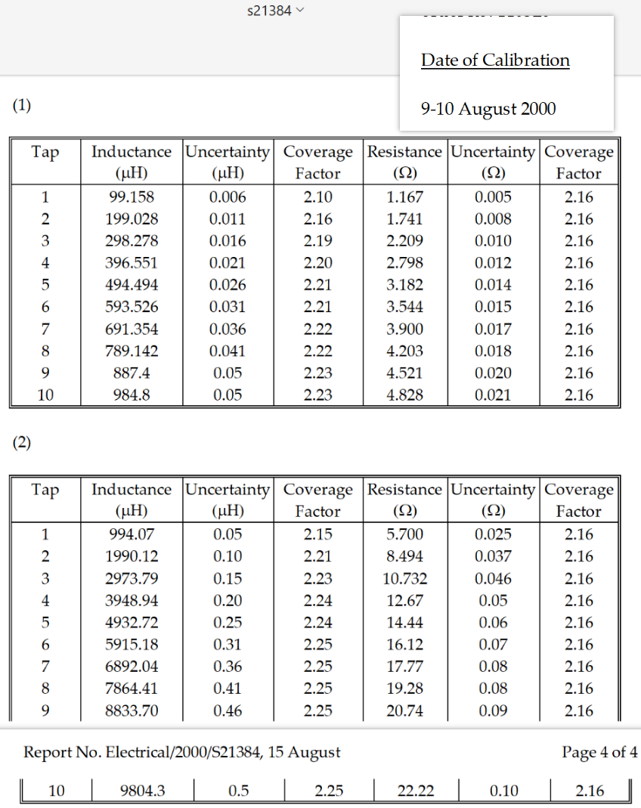
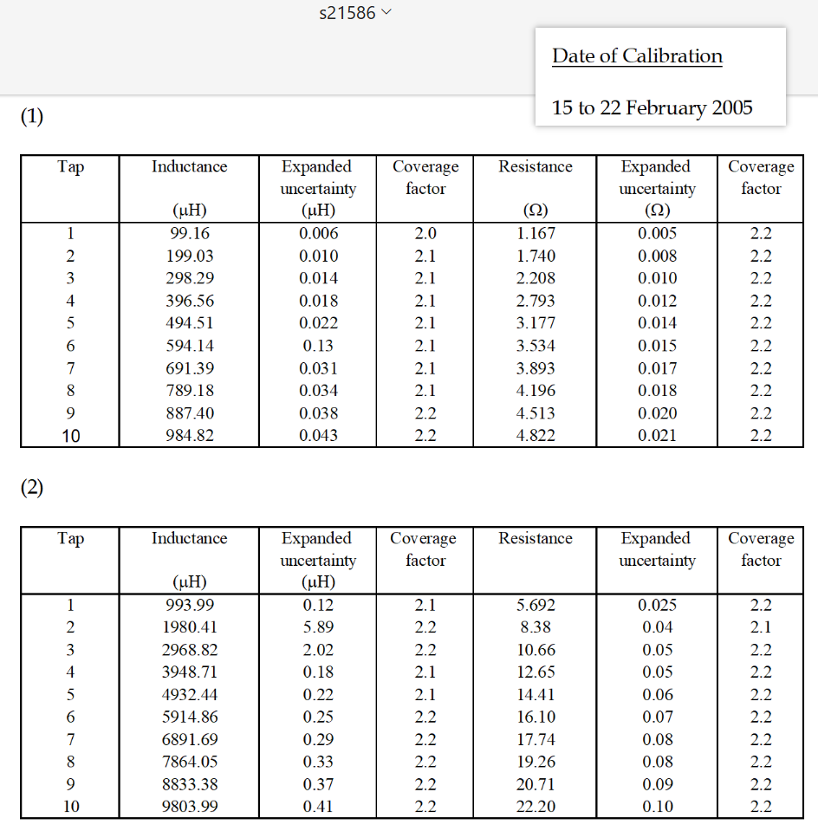
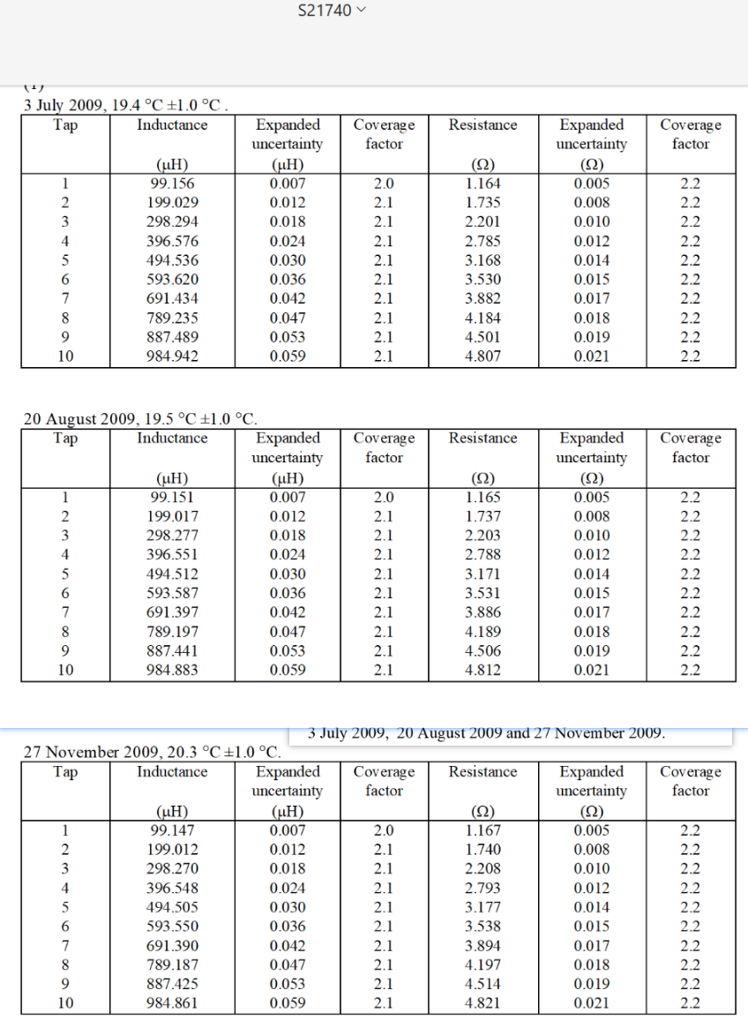
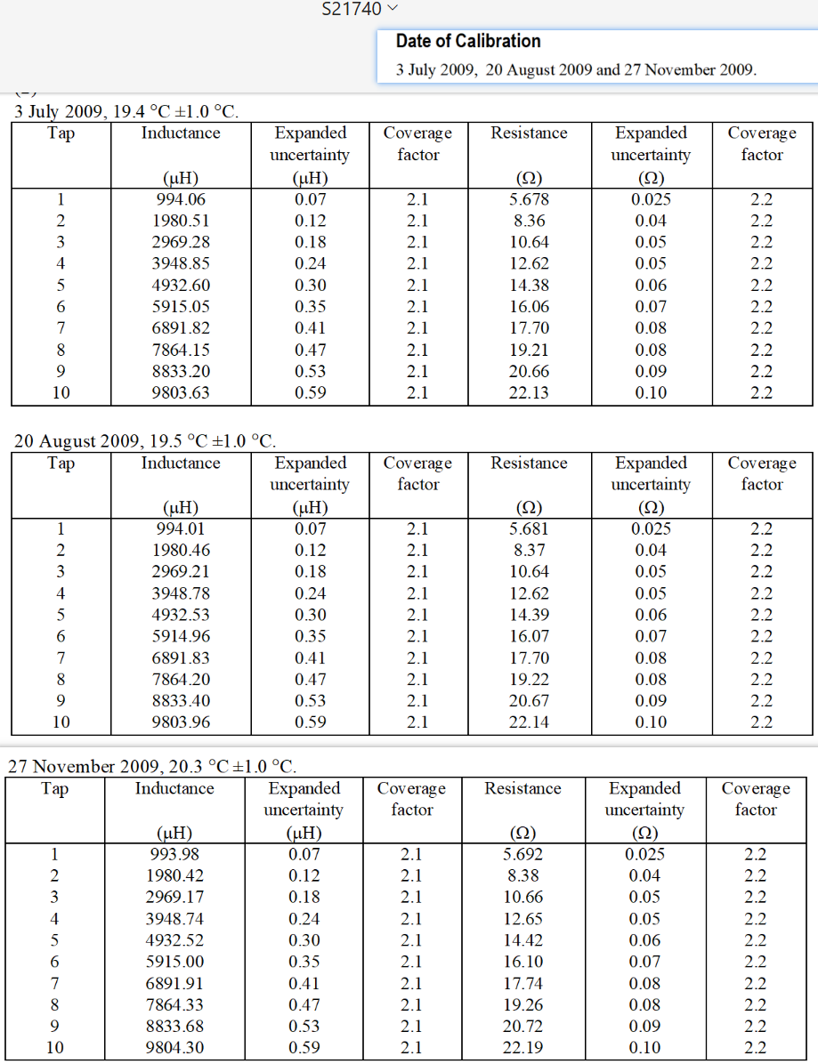
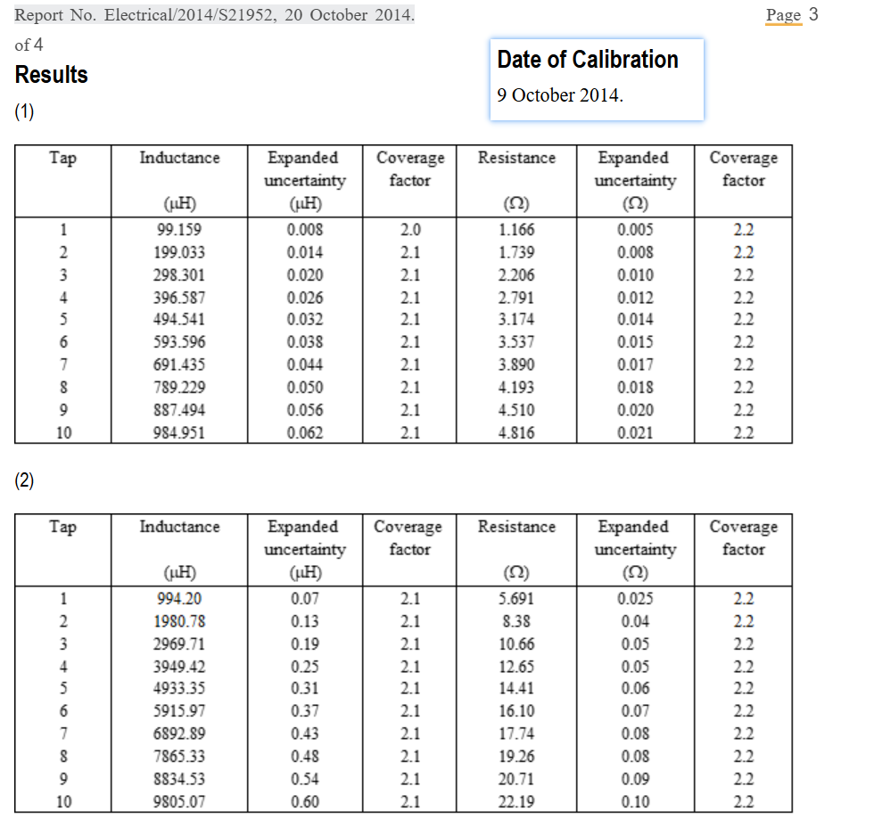
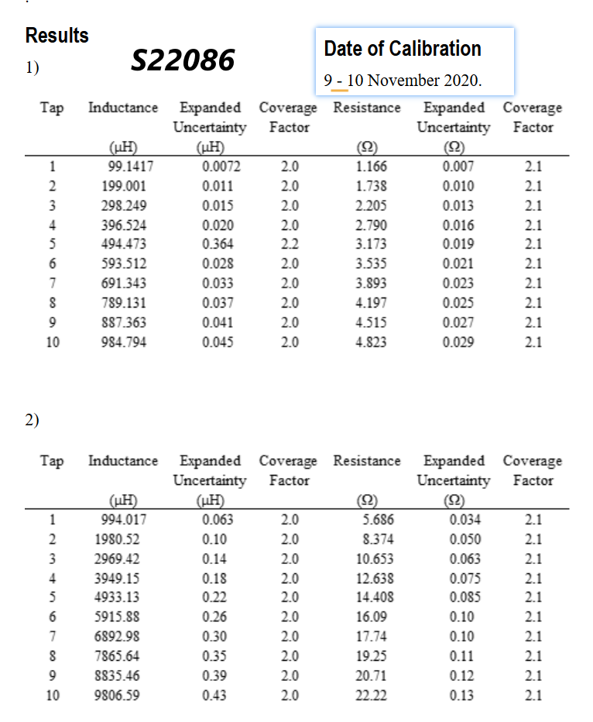

Previous History
 |  |  |  |  |  | checked by: | Tom been here
 | 15-Feb-05 | S21586 |  |  | 15-Feb-05 |  |  |  |  | 11-Aug-00 | S21384 |  |  |  |  |  | 25-Feb-05
 | 9171/1962 |  |  |  |  |  |  |  |  | 9171/1962 |  |  |  |  |  |  | dial code | Tap | Inductance | Expanded | Coverage | Resistance | Expanded | Coverage
Label | Range 2Z |  |  |  |  |  |  |  | Label | Range 2Z |  |  |  |  |  |  |  |  |  | uncertainty | factor |  | uncertainty | factor
B10 | 10 | 984646 | 4821626 |  |  |  |  |  | B10 | 10 | 984617 | 4827668 |  |  |  |  |  |  | (mH) | (mH)
B9 | 9 | 887241 | 4512760 |  |  |  |  |  | B9 | 9 | 887225 | 4520316 |  |  |  |  | A1 | 1 | 993.99 | 0.12 | 2.1 | 5.692 | 0.025 | 2.2
B8 | 8 | 789040 | 4195500 |  |  |  |  |  | B8 | 8 | 789013 | 4202536 |  |  |  |  | A2 | 2 | 1980.41 | 5.89 | 2.2 | 8.38 | 0.04 | 2.1
B7 | 7 | 691266 | 3892830 |  |  |  |  |  | B7 | 7 | 691241 | 3899426 |  |  |  |  | A3 | 3 | 2968.82 | 2.02 | 2.2 | 10.66 | 0.05 | 2.2
B6 | 6 | 593428 | 3543346 |  | 594040 | 3533330 |  |  | B6 | 6 | 593428 | 3543346 |  |  |  |  | A4 | 4 | 3948.71 | 0.18 | 2.1 | 12.65 | 0.05 | 2.2
B5 | 5 | 494427 | 3176330 |  |  |  |  |  | B5 | 5 | 494412 | 3181644 |  |  |  |  | A5 | 5 | 4932.44 | 0.22 | 2.1 | 14.41 | 0.06 | 2.2
B4 | 4 | 396493 | 2793140 |  |  |  |  |  | B4 | 4 | 396485 | 2797540 |  |  |  |  | A6 | 6 | 5914.86 | 0.25 | 2.2 | 16.10 | 0.07 | 2.2
B3 | 3 | 298240 | 2207660 |  |  |  |  |  | B3 | 3 | 298228 | 2208660 |  |  |  |  | A7 | 7 | 6891.69 | 0.29 | 2.2 | 17.74 | 0.08 | 2.2
B2 | 2 | 198990 | 1740140 |  |  |  |  |  | B2 | 2 | 198994 | 1740961 |  |  |  |  | A8 | 8 | 7864.05 | 0.33 | 2.2 | 19.26 | 0.08 | 2.2
B1 | 1 | 99142 | 1167100 |  |  |  |  |  | B1 | 1 | 99140 | 1167446 |  |  |  |  | A9 | 9 | 8833.38 | 0.37 | 2.2 | 20.71 | 0.09 | 2.2
 | 0 |  |  |  |  |  |  |  |  | 0 |  |  |  |  |  |  | A10 | 10 | 9803.99 | 0.41 | 2.2 | 22.20 | 0.10 | 2.2
 | 9173/1962 |  |  |  |  |  |  |  |  | 9173/1962
 | Range 3Z |  |  |  |  |  |  |  |  | Range 3Z
A10 | 10 | 980229 | 2219460 |  |  |  |  |  | A10 | 10 | 980273 | 2221419
A9 | 9 | 883184 | 2071200 |  |  |  |  |  | A9 | 9 | 883227 | 2073654 |  |  |  |  |  | Tap | Inductance | Expanded | Coverage | Resistance | Expanded | Coverage
A8 | 8 | 786268 | 1925567 |  |  |  |  |  | A8 | 8 | 786313 | 1928038 |  |  |  |  |  |  |  | uncertainty | factor |  | uncertainty | factor
A7 | 7 | 689049 | 1774060 |  |  |  |  |  | A7 | 7 | 689092 | 1776493 |  |  |  |  |  |  | (mH) | (mH) |  | (W) | (W)
A6 | 6 | 591383 | 1609810 |  |  |  |  |  | A6 | 6 | 591422 | 1612197 |  |  |  |  | B1 | 1 | 99.16 | 0.006 | 2.0 | 1.167 | 0.005 | 2.2
A5 | 5 | 493158 | 1441300 |  |  |  |  |  | A5 | 5 | 493192 | 1443680 |  |  |  |  | B2 | 2 | 199.03 | 0.010 | 2.1 | 1.740 | 0.008 | 2.2
A4 | 4 | 394802 | 1264540 |  |  |  |  |  | A4 | 4 | 394829 | 1266570 |  |  |  |  | B3 | 3 | 298.29 | 0.014 | 2.1 | 2.208 | 0.010 | 2.2
A3 | 3 | 296830 | 1066030 |  |  |  |  |  | A3 | 3 | 297330 | 1073180 |  |  |  |  | B4 | 4 | 396.56 | 0.018 | 2.1 | 2.793 | 0.012 | 2.2
A2 | 2 | 198006 | 838110 |  |  |  |  |  | A2 | 2 | 198979 | 849340 |  |  |  |  | B5 | 5 | 494.51 | 0.022 | 2.1 | 3.177 | 0.014 | 2.2
A1 | 1 | 99381 | 569116 |  |  |  |  |  | A1 | 1 | 99390 | 569920 |  |  |  |  | B6 | 6 | 594.14 | 0.13 | 2.1 | 3.534 | 0.015 | 2.2
 | 0 | -1 | -10 |  |  |  |  |  |  | 0 |  |  |  |  |  |  | B7 | 7 | 691.39 | 0.031 | 2.1 | 3.893 | 0.017 | 2.2
 |  |  |  |  |  |  |  |  |  |  |  |  |  |  |  |  | B8 | 8 | 789.18 | 0.034 | 2.1 | 4.196 | 0.018 | 2.2
2000-08-11 | S21384 |  |  |  |  |  |  |  |  |  |  |  |  |  |  |  | B9 | 9 | 887.40 | 0.038 | 2.2 | 4.513 | 0.020 | 2.2
9171/1962 |  |  |  |  |  |  |  |  |  |  |  |  |  |  |  |  | B10 | 10 | 984.82 | 0.043 | 2.2 | 4.822 | 0.021 | 2.2
Range 2Z
10 | 984617 | 4827668 |  |  | 984617 | 4827668
9 | 887225 | 4520316 |  |  | 887225 | 4520316
8 | 789013 | 4202536 |  |  | 789013 | 4202536
7 | 691241 | 3899426 |  |  | 691241 | 3899426
6 | 593428 | 3543346 |  |  | 593428 | 3543346
5 | 494412 | 3181644 |  |  | 494412 | 3181644
4 | 396485 | 2797540 |  |  | 396485 | 2797540
3 | 298228 | 2208660 |  |  | 298228 | 2208660
2 | 198994 | 1740961 |  |  | 198994 | 1740961
1 | 99140 | 1167446 |  |  | 99140 | 1167446
0
9173/1962
Range 3Z
10 | 980273 | 2221419 |  |  | 980273 | 2221419
9 | 883227 | 2073654 |  |  | 883227 | 2073654
8 | 786313 | 1928038 |  |  | 786313 | 1928038
7 | 689092 | 1776493 |  |  | 689092 | 1776493
6 | 591422 | 1612197 |  |  | 591422 | 1612197
5 | 493192 | 1443680 |  |  | 493192 | 1443680
4 | 394829 | 1266570 |  |  | 394829 | 1266570
3 | 297330 | 1073180 |  |  | 297330 | 1073180
2 | 198979 | 849340 |  |  | 198979 | 849340
1 | 99390 | 569920 |  |  | 99390 | 569920
0
1995-09-29 |  |  |  |  |  |  |  | 29-Sep-95 |  |  |  |  |  |  |  | 2005-02-23
9171/1962 |  |  |  |  |  |  |  | Tap | Inductance | Uncertainty | Coverage | Resistance | Uncertainty | Coverage |  | 9171/1962 |  |  |  | L % | R %
Range 2Z |  |  |  |  |  |  |  |  | (mH) | (mH) | Factor | (W) | (W) | Factor |  | Range 2Z |  |  |  |  | 3 Month Drift
10 | 984610 | 4837350 |  |  |  |  |  | 1 | 994.03 | 0.05 | 2.15 | 5.718 | 0.025 | 2.16 |  | 10 | 984646 | 4821626 |  | 0.000000 | 0.000000
9 | 887218 | 4529080 |  |  |  |  |  | 2 | 1980.36 | 0.10 | 2.21 | 8.422 | 0.036 | 2.16 |  | 9 | 887241 | 4512760 |  | 0.000000 | 0.000000
8 | 789017 | 4210450 |  |  |  |  |  | 3 | 2969.00 | 0.15 | 2.23 | 10.712 | 0.046 | 2.16 |  | 8 | 789040 | 4195500 |  | 0.000000 | 0.000000
7 | 691242 | 3906360 |  |  |  |  |  | 4 | 3948.44 | 0.20 | 2.24 | 12.71 | 0.05 | 2.16 |  | 7 | 691266 | 3892830 |  | 0.000000 | 0.000000
6 | 593424 | 3549500 |  |  |  |  |  | 5 | 4931.97 | 0.25 | 2.24 | 14.48 | 0.06 | 2.16 |  | 6 | 594040 | 3533330 |  | 1.160208 | -3.180045
5 | 494410 | 3186950 |  |  |  |  |  | 6 | 5914.20 | 0.31 | 2.25 | 16.17 | 0.07 | 2.16 |  | 5 | 494427 | 3176330 |  | 0.000000 | 0.000000
4 | 396487 | 2802060 |  |  |  |  |  | 7 | 6890.97 | 0.36 | 2.25 | 17.82 | 0.08 | 2.16 |  | 4 | 396493 | 2793140 |  | 0.000000 | 0.000000
3 | 298244 | 2214550 |  |  |  |  |  | 8 | 7863.13 | 0.41 | 2.25 | 19.34 | 0.08 | 2.16 |  | 3 | 298240 | 2207660 |  | 0.000000 | 0.000000
2 | 198994 | 1745600 |  |  |  |  |  | 9 | 8832.16 | 0.45 | 2.25 | 20.80 | 0.09 | 2.16 |  | 2 | 198990 | 1740140 |  | 0.000000 | 0.000000
1 | 99144 | 1170560 |  |  |  |  |  | 10 | 9802.6 | 0.5 | 2.25 | 22.28 | 0.10 | 2.16 |  | 1 | 99142 | 1167100 |  | 0.000000 | 0.000000
0 |  |  |  |  |  |  |  |  |  |  |  |  |  |  |  | 0
9173/1962 |  |  |  |  |  |  |  |  |  |  |  |  |  |  |  |  | 9173/1962
Range 3Z |  |  |  |  |  |  |  |  |  |  |  |  |  |  |  |  | Range 3Z
10 | 980098 | 2228210 |  |  |  |  |  |  |  |  |  |  |  |  |  | 10 | 980229 | 2219460 |  | 0.000000 | 0.000000
9 | 883073 | 2080080 |  |  |  |  |  |  |  |  |  |  |  |  |  | 9 | 883184 | 2071200 |  | 0.000000 | 0.000000
8 | 786185 | 1934120 |  |  |  |  |  | Tap | Inductance | Uncertainty | Coverage | Resistance | Uncertainty | Coverage |  | 8 | 786268 | 1925567 |  | 0.000000 | 0.000000
7 | 688985 | 1782150 |  |  |  |  |  |  | (mH) | (mH) | Factor | (W) | (W) | Factor |  | 7 | 689049 | 1774060 |  | 0.000000 | 0.000000
6 | 591324 | 1617360 |  |  |  |  |  | 1 | 99.162 | 0.006 | 2.10 | 1.171 | 0.005 | 2.16 |  | 6 | 591383 | 1609810 |  | 0.000000 | 0.000000
5 | 493117 | 1448110 |  |  |  |  |  | 2 | 199.028 | 0.011 | 2.16 | 1.746 | 0.008 | 2.16 |  | 5 | 493158 | 1441300 |  | 0.000000 | 0.000000
4 | 394779 | 1270570 |  |  |  |  |  | 3 | 298.294 | 0.016 | 2.19 | 2.215 | 0.010 | 2.16 |  | 4 | 394802 | 1264540 |  | 0.000000 | 0.000000
3 | 296852 | 1071150 |  |  |  |  |  | 4 | 396.553 | 0.021 | 2.20 | 2.802 | 0.012 | 2.16 |  | 3 | 296830 | 1066030 |  | 0.000000 | 0.000000
2 | 198003 | 842150 |  |  |  |  |  | 5 | 494.492 | 0.026 | 2.21 | 3.187 | 0.014 | 2.16 |  | 2 | 198006 | 838110 |  | 0.000000 | 0.000000
1 | 99384 | 571790 |  |  |  |  |  | 6 | 593.522 | 0.031 | 2.21 | 3.550 | 0.015 | 2.16 |  | 1 | 99381 | 569116 |  | 0.000000 | 0.000000
0 |  |  |  |  |  |  |  | 7 | 691.355 | 0.036 | 2.22 | 3.907 | 0.017 | 2.16 |  | 0
 |  |  |  |  |  |  |  | 8 | 789.146 | 0.041 | 2.22 | 4.211 | 0.018 | 2.16
1991-05-30 |  |  |  |  |  |  |  | 9 | 887.4 | 0.05 | 2.23 | 4.529 | 0.020 | 2.16 |  |  | 2000-08-11
9171/1962 |  |  |  |  |  |  |  | 10 | 984.8 | 0.05 | 2.23 | 4.838 | 0.021 | 2.16
Range 2Z | L | R |  |  |  |  |  |  |  |  |  |  |  |  |  |  | Tap | Inductance | Uncertainty | Coverage | Resistance | Uncertainty | Coverage
10 | 1004838 | 4788256 |  |  |  |  |  |  |  |  |  |  |  |  |  |  |  | (mH) | (mH) | Factor | (W) | (W) | Factor
9 | 904811 | 4485090 |  |  |  |  |  |  |  |  |  |  |  |  |  |  | 1 | 994.07 | 0.05 | 2.15 | 5.700 | 0.025 | 2.16
8 | 803682 | 4172580 |  |  |  |  |  |  |  |  |  |  |  |  |  |  | 2 | 1990.12 | 0.10 | 2.21 | 8.494 | 0.037 | 2.16
7 | 703119 | 3873825 |  |  |  |  |  |  |  |  |  |  |  |  |  |  | 3 | 2973.79 | 0.15 | 2.23 | 10.732 | 0.046 | 2.16
6 | 602695 | 3522505 |  |  |  |  |  |  |  |  |  |  |  |  |  |  | 4 | 3948.94 | 0.20 | 2.24 | 12.67 | 0.05 | 2.16
5 | 501222 | 3164915 |  |  |  |  |  |  |  |  |  |  |  |  |  |  | 5 | 4932.72 | 0.25 | 2.24 | 14.44 | 0.06 | 2.16
4 | 401408 | 2783495 |  |  |  |  |  |  |  |  |  |  |  |  |  |  | 6 | 5915.18 | 0.31 | 2.25 | 16.12 | 0.07 | 2.16
3 | 301525 | 220245 |  |  |  |  |  |  |  |  |  |  |  |  |  |  | 7 | 6892.04 | 0.36 | 2.25 | 17.77 | 0.08 | 2.16
2 | 200942 | 1734921 |  |  |  |  |  |  |  |  |  |  |  |  |  |  | 8 | 7864.41 | 0.41 | 2.25 | 19.28 | 0.08 | 2.16
1 | 99878 | 1163301 |  |  |  |  |  |  |  |  |  |  |  |  |  |  | 9 | 8833.70 | 0.46 | 2.25 | 20.74 | 0.09 | 2.16
0 |  |  |  |  |  |  |  |  |  |  |  |  |  |  |  |  | 10 | 9804.3 | 0.5 | 2.25 | 22.22 | 0.10 | 2.16
9173/1962
Range 3Z | L | R
10 | 1000042 | 2185630 |  |  |  |  |  |  |  |  |  |  |  |  |  |  | Tap | Inductance | Uncertainty | Coverage | Resistance | Uncertainty | Coverage
9 | 900119 | 2043361 |  |  |  |  |  |  |  |  |  |  |  |  |  |  |  | (mH) | (mH) | Factor | (W) | (W) | Factor
8 | 800504 | 1903129 |  |  |  |  |  |  |  |  |  |  |  |  |  |  | 1 | 99.158 | 0.006 | 2.10 | 1.167 | 0.005 | 2.16
7 | 700510 | 1756857 |  |  |  |  |  |  |  |  |  |  |  |  |  |  | 2 | 199.028 | 0.011 | 2.16 | 1.741 | 0.008 | 2.16
6 | 600413 | 1596577 |  |  |  |  |  |  |  |  |  |  |  |  |  |  | 3 | 298.278 | 0.016 | 2.19 | 2.209 | 0.010 | 2.16
5 | 500100 | 1431956 |  |  |  |  |  |  |  |  |  |  |  |  |  |  | 4 | 396.551 | 0.021 | 2.20 | 2.798 | 0.012 | 2.16
4 | 399841 | 1258189 |  |  |  |  |  |  |  |  |  |  |  |  |  |  | 5 | 494.494 | 0.026 | 2.21 | 3.182 | 0.014 | 2.16
3 | 300168 | 1062034 |  |  |  |  |  |  |  |  |  |  |  |  |  |  | 6 | 593.526 | 0.031 | 2.21 | 3.544 | 0.015 | 2.16
2 | 199991 | 836012 |  |  |  |  |  |  |  |  |  |  |  |  |  |  | 7 | 691.354 | 0.036 | 2.22 | 3.900 | 0.017 | 2.16
1 | 100176 | 568494 |  |  |  |  |  |  |  |  |  |  |  |  |  |  | 8 | 789.142 | 0.041 | 2.22 | 4.203 | 0.018 | 2.16
0 |  |  |  |  |  |  |  |  |  |  |  |  |  |  |  |  | 9 | 887.4 | 0.05 | 2.23 | 4.521 | 0.020 | 2.16
 |  |  |  |  |  |  |  |  |  |  |  |  |  |  |  |  | 10 | 984.8 | 0.05 | 2.23 | 4.828 | 0.021 | 2.16
1984-02-16
9171/1962 |  |  | R % | L %
Range 2Z | L | R | 3 Month Drift
10 | 1005990 | 4806400 | 0.013 | 0.004
9 | 905840 | 4507200 | 0.017 | 0.004
8 | 804560 | 4198900 | 0.021 | 0.004
7 | 704300 | 3900100 | 0.023 | 0.006
1995-09-29 | 0.97986939188 | 0.98055616035 | 0.98175273305 | 0.98310812252 | 0.98461742672 | 0.98640921588 | 0.9877406529 | 0.99265103426 |  | 0.98005683761 | 0.98106250396 | 0.98211251911
2000-08-11 | 0.97987635818 | 0.98056389677 | 0.98174775595 | 0.98310670029 | 0.98462406358 | 0.98641320612 | 0.98773567044 | 0.9926109854 |  | 0.98023183026 | 0.98123359245 | 0.98227241838
2005-02-15 | 0.97990521855 | 0.98058158002 | 0.98178135133 | 0.98314225615 | 0.98563950257 | 0.98644313298 | 0.98775560029 | 0.99263100983 |  | 0.98018783211 | 0.98118582099 | 0.98221620379
2009-07-03 | 0.98002464079 | 0.9806799431 | 0.98184729781 | 0.98320483446 | 0.98476509677 | 0.98648104034 | 0.9877805126 | 0.99257093654 |  | 0.98014883375 | 0.9811636017 | 0.9822261975
6 | 604250 | 3550300 | 0.026 | 0.009
5 | 503200 | 3193100 | 0.030 | 0.013
4 | 401510 | 2810300 | 0.032 | 0.001
3 | 301630 | 2224200 | 3.048 | 0.001
2 | 201130 | 1756160 | 0.041 | 0.003
1 | 100040 | 1180150 | 0.048 | 0.005
0 | 358 | 5860 | 3.383 | 3.383
9173/1962
Range 3Z | L | R
10 | 1000616 | 2191510 | 0.009 | 0.002
9 | 900587 | 2049680 | 0.010 | 0.002
8 | 800915 | 1910750 | 0.013 | 0.002
7 | 701003 | 1766150 | 0.018 | 0.002
6 | 601187 | 1605900 | 0.020 | 0.004
5 | 500064 | 1441700 | 0.023 | 0.000
4 | 399832 | 1267980 | 0.026 | 0.000
3 | 300175 | 1071200 | 0.029 | 0.000
2 | 199984 | 844290 | 0.033 | 0.000
1 | 100176 | 574990 | 0.038 | 0.000
0 | 30 | 602 | 3.383 | 3.383

 |  |  |  |  |  | 1984-02-16 | 1005990 | 905840 | 804560 | 704300 | 604250 | 503200 | 401510 | 100040 | 358 | 1000616 | 900587 | 800915 | 701003 | 601187 | 500064 | 399832 | 300175 | 199984 | 100176 | 30
 |  |  |  |  |  | 1991-05-30 | 1004838 | 904811 | 803682 | 703119 | 602695 | 501222 | 401408 | 99878 |  | 1000042 | 900119 | 800504 | 700510 | 600413 | 500100 | 399841 | 300168 | 199991 | 100176
 |  |  |  |  |  | 1995-09-29 | 984610 | 887218 | 789017 | 691242 | 593424 | 494410 | 396487 | 99144 |  | 980098 | 883073 | 786185 | 688985 | 591324 | 493117 | 394779 | 296852 | 198003 | 99384
 |  |  |  |  |  | 2000-08-11 | 984617 | 887225 | 789013 | 691241 | 593428 | 494412 | 396485 | 99140 |  | 980273 | 883227 | 786313 | 689092 | 591422 | 493192 | 394829 | 297330 | 198979 | 99390
 |  |  |  |  |  | 2005-02-15 | 984646 | 887241 | 789040 | 691266 | 594040 | 494427 | 396493 | 99142 |  | 980229 | 883184 | 786268 | 689049 | 591383 | 493158 | 394802 | 296830 | 198006 | 99381 | -1
 |  |  |  |  |  | 2009-07-03 | 984766 | 887330 | 789093 | 691310 | 593513 | 494446 | 396503 | 99136 |  | 980190 | 883164 | 786276 | 689060 | 591400 | 493172 | 394815 | 296875 | 198015 | 99388

 |  |  |  |  |  | 1995-09-29 | 0.97986939188 | 0.98055616035 | 0.98175273305 | 0.98310812252 | 0.98461742672 | 0.98640921588 | 0.9877406529 | 0.99265103426 |  | 0.98005683761 | 0.98106250396 | 0.98211251911 | 0.98354770096 | 0.9848620866 | 0.98603679264 | 0.98733996764 | 0.98895285307 | 0.99005955268 | 0.99209391471
 |  |  |  |  |  | 2000-08-11 | 0.97987635818 | 0.98056389677 | 0.98174775595 | 0.98310670029 | 0.98462406358 | 0.98641320612 | 0.98773567044 | 0.9926109854 |  | 0.98023183026 | 0.98123359245 | 0.98227241838 | 0.98370044682 | 0.98502530758 | 0.98618676265 | 0.98746501734 | 0.99054529464 | 0.99493977229 | 0.9921538093
 |  | 984766 | 980190 |  |  | 2005-02-15 | 0.97990521855 | 0.98058158002 | 0.98178135133 | 0.98314225615 | 0.98563950257 | 0.98644313298 | 0.98775560029 | 0.99263100983 |  | 0.98018783211 | 0.98118582099 | 0.98221620379 | 0.98363906297 | 0.98496035229 | 0.98611877624 | 0.9873974905 | 0.98887956078 | 0.99007455335 | 0.99206396742
 |  | 887330 | 883164 |  |  | 2009-07-03 | 0.98002464079 | 0.9806799431 | 0.98184729781 | 0.98320483446 | 0.98476509677 | 0.98648104034 | 0.9877805126 | 0.99257093654 |  | 0.98014883375 | 0.9811636017 | 0.9822261975 | 0.98365476581 | 0.98498866613 | 0.98614677065 | 0.98743000343 | 0.98902947683 | 0.99011955538 | 0.99213384443

 |  | 789093 | 786276 |  |  | 1995-09-29 | 1 | 1 | 1 | 1 | 1 | 1 | 1 | 1 |  | 1 | 1 | 1 | 1 | 1 | 1 | 1 | 1 | 1 | 1
 |  | 691310 | 689060 |  |  | 2000-08-11 | 1.0000071094 | 1.0000078898 | 0.9999949304 | 0.99999855333 | 1.0000067405 | 1.0000040452 | 0.9999949557 | 0.99995965464 |  | 1.0001785536 | 1.000174391 | 1.0001628116 | 1.0001553009 | 1.0001657298 | 1.0001520937 | 1.0001266531 | 1.00161023 | 1.0049292182 | 1.0000603719
 |  | 593513 | 591400 |  |  | 2005-02-15 | 1.0000365627 | 1.0000259237 | 1.0000291502 | 1.0000347201 | 1.0010380436 | 1.0000343844 | 1.0000151329 | 0.99997982732 |  | 1.0001336601 | 1.0001256974 | 1.0001055731 | 1.0000928903 | 1.0000997761 | 1.0000831446 | 1.0000582604 | 0.999925889 | 1.0000151513 | 0.99996981405
 |  | 494446 | 493172 |  |  | 2009-07-03 | 1.0001584384 | 1.0001262373 | 1.0000963224 | 1.0000983737 | 1.0001499771 | 1.0000728141 | 1.0000403544 | 0.99991930929 |  | 1.0000938682 | 1.0001030492 | 1.0001157488 | 1.0001088558 | 1.0001285251 | 1.0001115354 | 1.0000911903 | 1.0000774797 | 1.0000606051 | 1.0000402479
 |  | 396503 | 394815
 |  | 298239 | 296875
 |  | 198991 | 198015 |  |  |  | 34971.00
 |  | 99136 | 99388

1995-09-29 | 1 | 1 | 1 | 1 | 1 | 1 | 1 | 1 |  | 1 | 1 | 1
2000-08-11 | 1.0000071094 | 1.0000078898 | 0.9999949304 | 0.99999855333 | 1.0000067405 | 1.0000040452 | 0.9999949557 | 0.99995965464 |  | 1.0001785536 | 1.000174391 | 1.0001628116
2005-02-15 | 1.0000365627 | 1.0000259237 | 1.0000291502 | 1.0000347201 | 1.0010380436 | 1.0000343844 | 1.0000151329 | 0.99997982732 |  | 1.0001336601 | 1.0001256974 | 1.0001055731
2009-07-03 | 1.0001584384 | 1.0001262373 | 1.0000963224 | 1.0000983737 | 1.0001499771 | 1.0000728141 | 1.0000403544 | 0.99991930929 |  | 1.0000938682 | 1.0001030492 | 1.0001157488
 |  |  |  |  |  |  |  |  |  |  |  |  |  |  |  |  |  |  |  |  |  |  | 500

